Sheet1
 |  | Document No. | Issue No. | Issue Date |  | Review and Replace Date |  |  | Authorised By
 |  | GFF0102MC | 1 | 17.06.2019 |  | New Issue |  |  | Magda Shah
 |  | Document Title | LAMB SHOULDER TAGINE & TRICOLOUR QUINOA 450g
Document amendments reason for change |  | New product launch |  |  | Previous Issue Date |  | New Issue |  | Uncontrolled copy unless signed original

FLTATQ-R8TMC | MINDFUL CHEF |  | LAMB SHOULDER TAGINE & TRICOLOUR QUINOA 450g │ FROZEN
STEP 1 |  |  | STEP 2 |  |  |  | STEP 3
 |  |  | 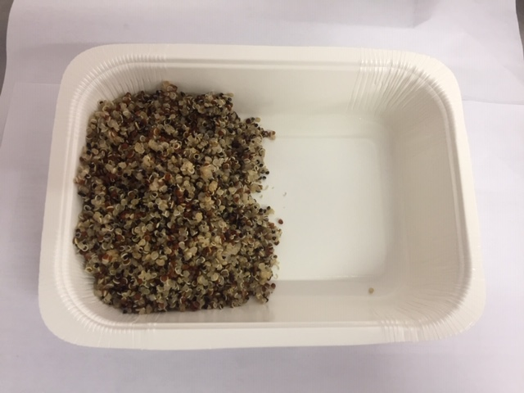 |  |  |  | 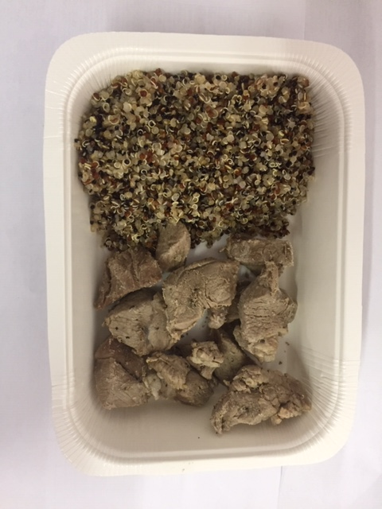

Tray: WHITE OVENABLE BOARD TRAY (PKSOU002-01) |  |  | Tricolour Quinoa (MC) (GFF262R): 90g |  |  |  | Cooked Lamb Shoulder (MC)(GFF261R): 90g
Film: 145 X 100 X 250 (PKWRA001-07)
STEP 4 |  |  |  |  | STEP 5
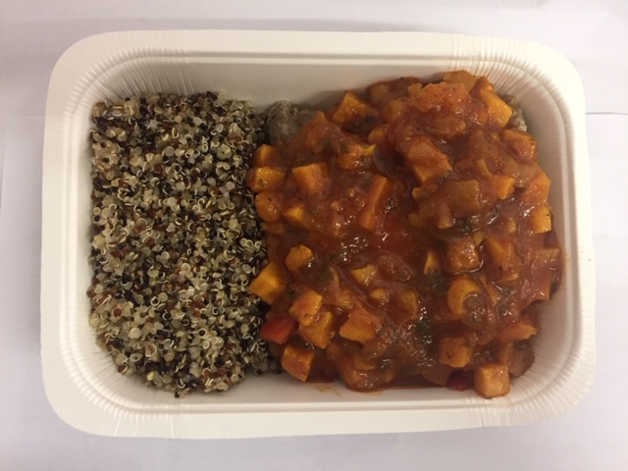 |  |  |  |  | 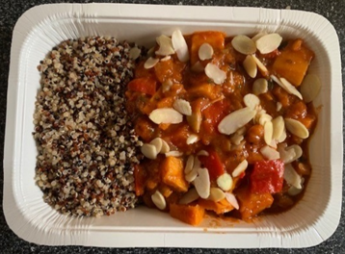

Tagine Sauce (MC) (GFF263R): 265g |  |  |  |  | Roasted Almonds Flaked (RMKLU001-06): 5g |  |  | Total Weight: 450g

ALLERGY ALERT: Nuts

